Step 5 plot
Average of cpr | Column Labels
Row Labels | 5 | 10 | 15 | 20 | 25 | 30
-100 | 0.47411517375 | 6.1478139062 | 1.894757469 | 3.0701445765 | 3.8291104034 | 5.702499114
-75 | 2.4297762619 | 4.412853913 | 5.2990288568 | 6.477942656 | 6.4420342037 | 6.9158888547
-50 | 9.7524300903 | 5.8425153496 | 6.5766843051 | 7.2138627561 | 7.1668818344 | 7.2700075661
-25 | 5.7856788002 | 6.7219142331 | 7.2798073014 | 7.4703963901 | 8.4497653072 | 8.3088191594
0 | 6.2418938127 | 6.9077979162 | 8.1601184018 | 8.0323230636 | 9.5107073679 | 9.4040791427
25 | 7.7733102954 | 9.1939909813 | 9.8725710409 | 9.394256106 | 9.6958499995 | 10.787744078
50 | 8.4931821217 | 10.314111236 | 10.892099591 | 11.434013581 | 11.708680672 | 12.885704349
75 | 11.465097679 | 12.090375925 | 12.379250554 | 11.857491004 | 13.188765276 | 14.340669833
100 | 12.758393911 | 13.371185164 | 13.777689178 | 14.368913539 | 15.827091754 | 15.888159589
125 | 13.994124417 | 15.722608239 | 15.251243182 | 15.5098262 | 16.060457979 | 17.051622365
150 | 15.217302395 | 16.474336203 | 17.155080355 | 17.256985198 | 17.215173535 | 19.513424554
175 | 16.520852144 | 16.039476455 | 15.035882436 | 18.599381039 | 20.037176963 | 18.872343495
200 | 19.662421414 | 10.57547444 | 16.215473571 | 17.341830461 | 18.405823909 | 20.182149619

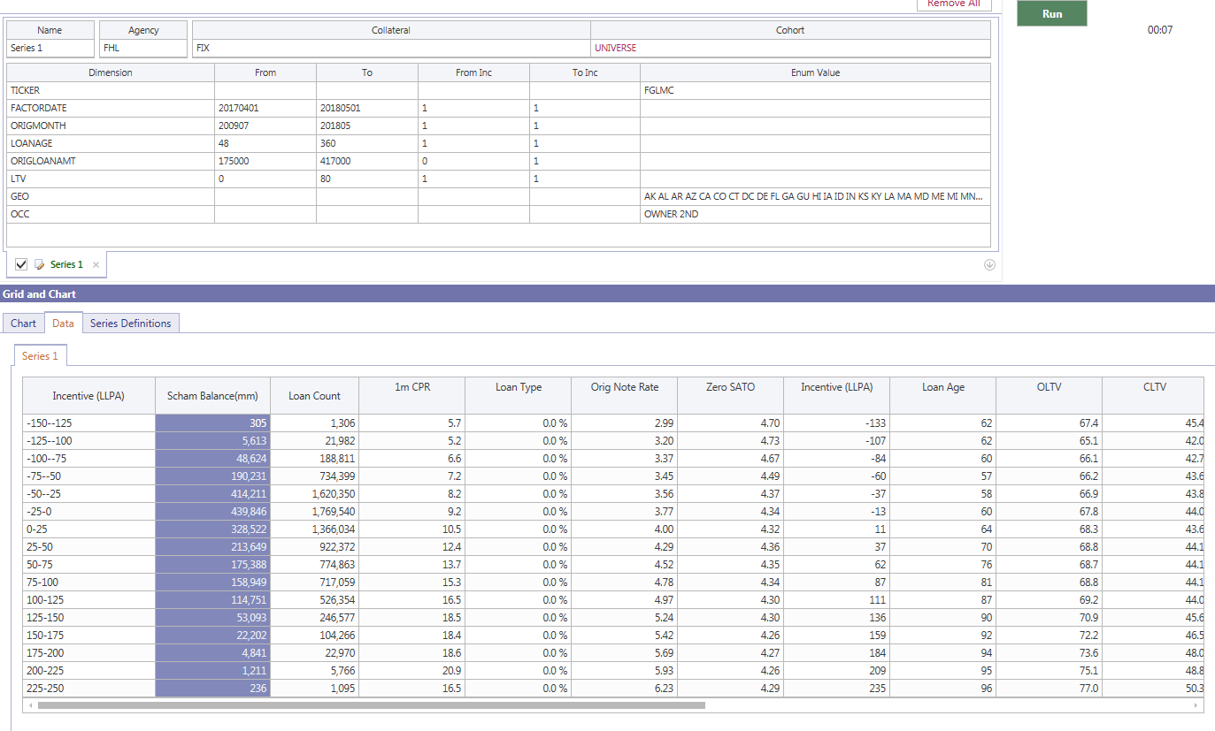
Average of bal | Column Labels
Row Labels | 5 | 10 | 15 | 20 | 25 | 30
-200 | 160,397
-175 | 1,599,269 | 1,340,432 |  |  |  | 405,201
-150 | 4,919,138 | 7,339,540 | 244,501 | 563,114 | 1,764,228 | 6,005,017
-125 | 15,986,888 | 23,955,749 | 7,541,375 | 18,589,996 | 42,381,900 | 165,773,659
-100 | 54,070,448 | 161,156,634 | 138,068,693 | 567,691,321 | 877,153,796 | 3,691,552,228
-75 | 198,933,755 | 1,203,127,115 | 2,568,546,427 | 5,854,568,991 | 6,657,207,610 | 31,504,730,081
-50 | 1,192,379,654 | 4,361,861,693 | 13,133,975,796 | 24,943,314,520 | 20,558,072,466 | 119,403,144,736
-25 | 2,079,476,795 | 8,412,862,161 | 25,939,102,992 | 53,347,284,944 | 35,970,501,304 | 274,568,724,164
0 | 2,298,812,095 | 8,525,996,178 | 25,967,692,658 | 51,626,894,504 | 40,853,192,724 | 302,384,117,249
25 | 2,198,297,828 | 7,233,045,596 | 15,925,324,160 | 34,730,396,562 | 34,843,366,222 | 228,481,621,763
50 | 3,519,437,586 | 6,212,489,546 | 12,131,723,773 | 21,507,499,375 | 26,503,333,219 | 138,460,456,527
75 | 4,730,320,412 | 5,973,574,026 | 11,063,699,871 | 17,965,713,266 | 21,606,954,458 | 107,919,069,756
100 | 6,559,486,701 | 5,974,106,655 | 11,705,093,456 | 17,961,903,623 | 17,291,823,981 | 95,519,035,067
125 | 4,862,283,775 | 5,606,052,950 | 6,985,083,341 | 14,677,126,599 | 12,371,012,878 | 69,954,179,400
150 | 2,505,730,218 | 3,523,015,744 | 3,253,213,413 | 7,330,447,545 | 5,371,011,321 | 31,477,045,923
175 | 862,041,122 | 1,401,856,157 | 1,296,459,431 | 3,364,923,112 | 2,227,828,898 | 13,260,726,428
200 | 192,884,097 | 303,120,494 | 318,577,206 | 771,845,396 | 512,877,466 | 2,815,798,538
225 | 32,380,956 | 56,975,424 | 69,929,360 | 200,971,330 | 148,776,455 | 722,954,899
250 | 6,574,236 | 13,486,318 | 20,787,766 | 46,232,990 | 46,723,680 | 209,416,023
Grand Total | 1,648,198,704 | 3,277,520,134 | 7,677,944,954 | 14,995,056,893 | 13,287,293,094 | 78,919,153,148

Average of HPA_cum_ | Column Labels
Row Labels | 5 | 10 | 15 | 20 | 25 | 30
-100 | 3.90 | 7.97 | 13.29 | 17.56 | 21.54 | 45.61
-75 | 3.54 | 7.59 | 13.33 | 17.44 | 22.01 | 47.08
-50 | 3.49 | 7.80 | 13.28 | 17.65 | 22.52 | 45.88
-25 | 3.73 | 7.74 | 13.18 | 17.93 | 22.70 | 46.12
and calcOrigMonth_LL >= 200907 and calcOrigMonth_LL <= 201805
and cl.origLTV >= 0 and cl.origLTV<=80
and clh.loanAge >= 48
and occType in ('OWNER', '2ND')
and originalLoanAmount > 175000 and originalLoanAmount <= 417000
and cl.state not in ('NY','IL')
and clh.asof >= '20170301'
0 | 3.49 | 7.58 | 13.17 | 17.85 | 22.74 | 47.26
25 | 2.87 | 7.54 | 13.23 | 17.85 | 22.77 | 49.36
50 | 2.33 | 7.65 | 13.11 | 17.75 | 22.57 | 49.56
75 | 1.76 | 7.68 | 12.94 | 17.83 | 22.42 | 49.91
100 | 1.56 | 7.26 | 12.87 | 17.64 | 22.39 | 50.20
125 | 1.48 | 6.89 | 12.87 | 17.38 | 22.50 | 50.99
150 | 1.36 | 6.79 | 12.96 | 17.19 | 22.47 | 50.11
175 | 1.37 | 6.54 | 13.07 | 17.12 | 22.33 | 49.69
200 | 1.06 | 6.48 | 13.06 | 17.05 | 22.20 | 47.80

Step 10 plot
Sum of cpr | Column Labels
Row Labels | 10 | 20 | 30
-100 | 4.7510330633 | 2.8412229019 | 5.3454398745
-75 | 4.133749346 | 6.1198781267 | 6.8333854244
-50 | 6.6947488534 | 6.9945326582 | 7.254866622
-25 | 6.5370421612 | 7.4080833827 | 8.3251554685
0 | 6.7667467541 | 8.0751090037 | 9.4167764078
25 | 8.8646575149 | 9.5448806277 | 10.643961912
50 | 9.6594631951 | 11.238925797 | 12.697577022
75 | 11.814550618 | 12.056679131 | 14.149493229
100 | 13.050973248 | 14.13609167 | 15.878801653
125 | 14.923769993 | 15.426523981 | 16.903368249
150 | 15.953804015 | 17.225780095 | 19.182111531
175 | 16.223072655 | 17.622285905 | 19.040841955
200 | 14.215557165 | 17.014198557 | 19.910786695

Sum of bal | Column Labels
Row Labels | 10 | 20 | 30
-100 | 215,227,082 | 705,760,014 | 4,568,706,023
-75 | 1,402,060,870 | 8,423,115,418 | 38,161,937,691
-50 | 5,554,241,347 | 38,077,290,316 | 139,961,217,202
-25 | 10,492,338,956 | 79,286,387,936 | 310,539,225,469
0 | 10,824,808,273 | 77,594,587,162 | 343,237,309,974
25 | 9,431,343,424 | 50,655,720,722 | 263,324,987,985
50 | 9,731,927,132 | 33,639,223,149 | 164,963,789,745
75 | 10,703,894,438 | 29,029,413,137 | 129,526,024,214
100 | 12,533,593,355 | 29,666,997,080 | 112,810,859,048
125 | 10,468,336,725 | 21,662,209,941 | 82,325,192,278
150 | 6,028,882,036 | 10,583,524,885 | 36,848,057,244
175 | 2,263,897,279 | 4,661,382,544 | 15,488,555,326
200 | 496,004,592 | 1,090,422,602 | 3,328,676,004
Grand Total | 90,146,555,508 | 385,076,034,905 | 1,645,084,538,204

Sum of HPA_cum_ | Column Labels
Row Labels | 10 | 20 | 30
-100 | 6.95 | 16.73 | 40.99
-75 | 7.01 | 16.19 | 42.70
-50 | 6.88 | 16.14 | 42.44
-25 | 6.94 | 16.37 | 43.41
0 | 6.71 | 16.28 | 44.34
25 | 6.45 | 16.40 | 45.85
50 | 5.73 | 16.07 | 45.23
75 | 5.06 | 15.97 | 45.33
100 | 4.28 | 15.76 | 45.94
125 | 4.38 | 15.93 | 46.71
150 | 4.53 | 15.89 | 46.08
175 | 4.57 | 15.99 | 45.75
200 | 4.37 | 15.88 | 43.86

